Rules of Game
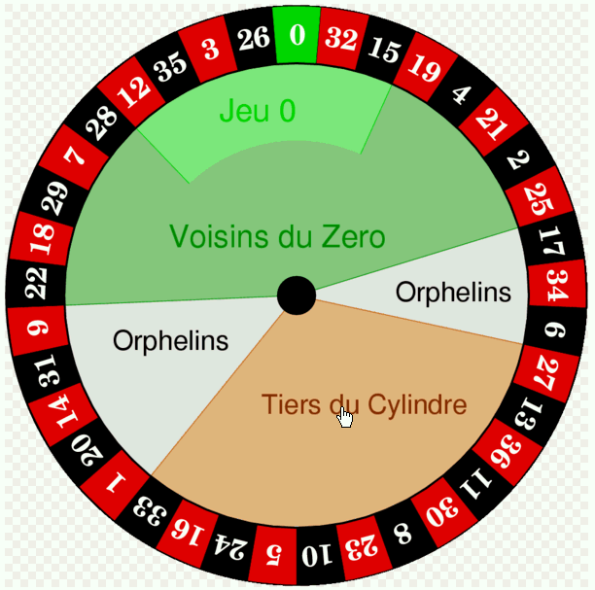
Below, you see a European roulette wheel, with the numbers 0 through 36 around the wheel. There are two players we will compare.
Player 1 always bets on red. He places four bets. On each bet, he either wins or loses what he bets. His first bet is for $10. From then on, he bets $10 following a win, or he doubles his bet after a loss. For example, if he spins red, red, not red, and not red, his bets are for $10, $10, $10, and $20, and he ends up with a net loss of $10. Or if he spins not red, not red, not red, and red, then his bets are for $10, $20, $40, and $80, and he ends up with a net gain of $10.
Player 2 always bets on black and green. He also places four bets. On each bet, he places $10 on black and $2 on green. If red occurs, he loses all $12. If black occurs, he wins a net $8 ($10 gain on black, $2 loss on green). If green occurs, he wins a net $50 ($10 loss on black, $60 gain on green).
We are interested in the probability distribution of net win/loss for each player separately. Would you rather be player 1 or player 2? Or would you rather not play!

Player 1
I have listed all combinations of the 4 spins. You can now use Excel formulas to capture the logic of the game.
Basic probabilities
P(red) | 0.48648648649
P(not red) | 0.51351351351

Possible scenarios for player 1 (order matters)
Spin 1 | Spin 2 | Spin 3 | Spin 4 | P(Spin 1) | P(Spin 2) | P(Spin 3) | P(Spin 4) | Bet 1 | Bet 2 | Bet 3 | Bet 4 | Net win/loss | Probability
R | R | R | R
R | R | R | NR
R | R | NR | R
R | R | NR | NR
R | NR | R | R
R | NR | R | NR
R | NR | NR | R
R | NR | NR | NR
NR | R | R | R
NR | R | R | NR
NR | R | NR | R
NR | R | NR | NR
NR | NR | R | R
NR | NR | R | NR
NR | NR | NR | R
NR | NR | NR | NR

Player 2
Now the only thing that matters is the number of reds, blacks, and greens in the 4 spins. I have listed all possibilities. You can fill in the rest.
Basic probabilities
P(red) | 0.48648648649
P(black) | 0.48648648649
P(green) | 0.027027027027

Net win/loss for each possible outcome
Red | Black | Green
-12 | 8 | 50

Possible scenarios for player 2 (order of spins doesn't matter)
# reds | # blacks | # greens | # combinations | Net win/loss | Probability
4 | 0 | 0
3 | 1 | 0
3 | 0 | 1
2 | 2 | 0
2 | 1 | 1
2 | 0 | 2
1 | 3 | 0
1 | 2 | 1
1 | 1 | 2
1 | 0 | 3
0 | 4 | 0
0 | 3 | 1
0 | 2 | 2
0 | 1 | 3
0 | 0 | 4

